Sheet1
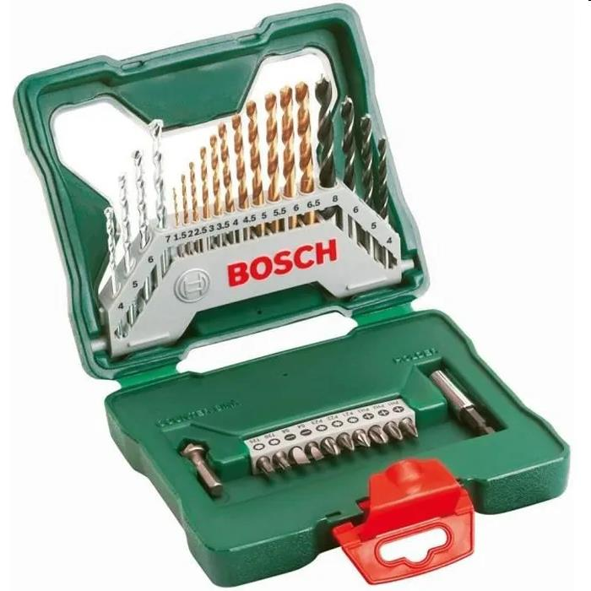
Picture | Item code | Description | Extra information | Restriction | Stock | Sales price EXW | Retail price | Barcode | Quantity PU | Quantity pallet | Pallet | Origin | Customs code | Item weight | Languages on package | Group
 | S-10724 | Bosch X-line, Drilling And Screwdriving Accessory Set (30 Pcs) | 2607019324 |  | 897 | 9.5 |  | 3165140379472 |  |  |  |  |  |  |  | Bosch X-line

